Sheet1
3+3 Folding Hardware Specification Sheet
NO. | Hardware Names | Item No. | Photo | Usage Instructions | QTY | Screws | Screws qty | Installation position
1 | Lead panel top hinge | E3CPSS top |  | Used with bottom hinge, no size limitation | 2 | M5 countersunk screw | 8 | Door Panel 1-1/Door Panel 6-2
2 | Lead panel bottom hinge | E3CPSS bottom |  |  |  | M5 countersunk screw | 8
3 | Lead panel middle hinge | E3WPSS |  | 1.5 m –2.25 m | 2 | M5 countersunk screw | 8
4 |  |  |  | 2.25 m – 2.743 m | 4 | M5 countersunk screw | 16
5 | Offset hinge | E3HHSS top |  | Used with bottom hinge, no size limitation | 2 | M5 countersunk screw | 14 | Between Panel 1-2 and Panel 2-1 / Between Panel 5-2 and Panel 6-1
6 | Offset hinge | E3HHSS bottom |  |  |  | M5 countersunk screw | 14
7 | Offset hinge with handle | E3HHSS中 | 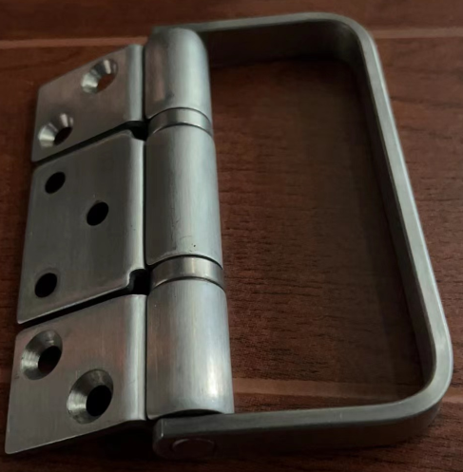 | Above 1.5 m | 2 | M5 countersunk screw | 14
8 | Offset hinge | E3HHNHS |  | 2.25 m – 2.743 m | 2 | M5 countersunk screw | 14
9 | Center hinge with hanger roller | E3CICSS top |  | Used with bottom hinge, no size limitation | 2 | M5 countersunk screw | 13 | Between Panel 2-2 and Panel 3-1 / Between Panel 4-2 and Panel 6-1
10 | Center hinge with bottom roller | E3CICSS bottom |  |  |  | M5 countersunk screw | 14
11 | Center hinge | E3CICSS middle |  | Above 1.5 m | 2 | M5 countersunk screw | 14
12 | Center hinge | E3HNHS |  | 2.25 m – 2.743 m | 2 | M5 countersunk screw | 14

