Sheet1
5+0 Folding Hardware Specification Sheet
NO. | Hardware Names | Item No. | Photo | Usage Instructions | QTY | Screws | Screws qty | Installation position
1 | Lead panel top hinge | E3CPSS top |  | Used with bottom hinge, no size limitation | 1 | M5 countersunk screw | 4 | Door Panel 1-1
2 | Lead panel bottom hinge | E3CPSS bottom |  |  |  | M5 countersunk screw | 4
3 | Lead panel middle hinge | E3WPSS |  | 1.5 m –2.25 m | 1 | M5 countersunk screw | 4
4 |  |  |  | 2.25 m – 2.743 m | 2 | M5 countersunk screw | 8
5 | Offset hinge | E3HHSS top |  | Used with bottom hinge, no size limitation | 1 | M5 countersunk screw | 7 | Door Panel 1-2 / Door Panel 2-1
6 | Offset hinge | E3HHSS bottom |  |  |  | M5 countersunk screw | 7
7 | Offset hinge with handle | E3HHSS middle | 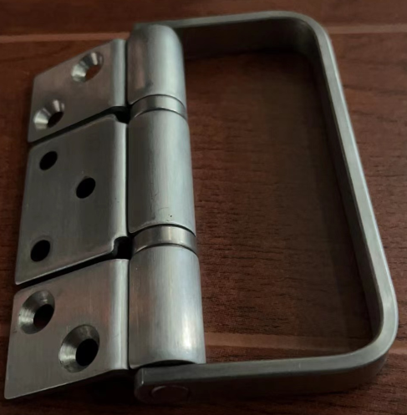 | Above 1.5 m | 1 | M5 countersunk screw | 7
8 | Offset hinge | E3HHNHS |  | 2.25 m – 2.743 m | 1 | M5 countersunk screw | 7
9 | Center hinge with hanger roller | E3CICSS top |  | Used with bottom hinge, no size limitation | 2 | M5 countersunk screw | 14 | Between Panel 2-2 and Panel 3-1 / Between Panel 4-2 and Panel 5-1
10 | Center hinge with bottom roller | E3CICSS bottom |  |  |  | M5 countersunk screw | 14
11 | Center hinge | E3CICSS middle |  | Above 1.5 m | 2 | M5 countersunk screw | 14
12 | Center hinge | E3HNHS |  | 2.25 m – 2.743 m | 2 | M5 countersunk screw | 14
13 | Center hinge with top roller | E3HSS top |  | Used with bottom hinge, no size limitation | 1 | M5 countersunk screw | 7 | Between Panel 3-2 and Panel 4-1
14 | Center hinge with bottom roller | E3HSS bottom |  |  |  | M5 countersunk screw | 7
15 | Center hinge with handle | E3HSS middle |  | Above 1.5 m | 1 | M5 countersunk screw | 7
16 | Center hinge | E3HNHS |  | 2.25 m – 2.743 m | 1 | M5 countersunk screw | 7

